Indices

 | Iraq Stock Exchange
 | Bulletin No (93)
 | ISX Trading Indices of Sunday 31/5/2026

 | Traded Volume and OTC |  | 25,569,423,655 |  | Traded Value and OTC |  | 26,086,005,772 |  | Traders | 1380

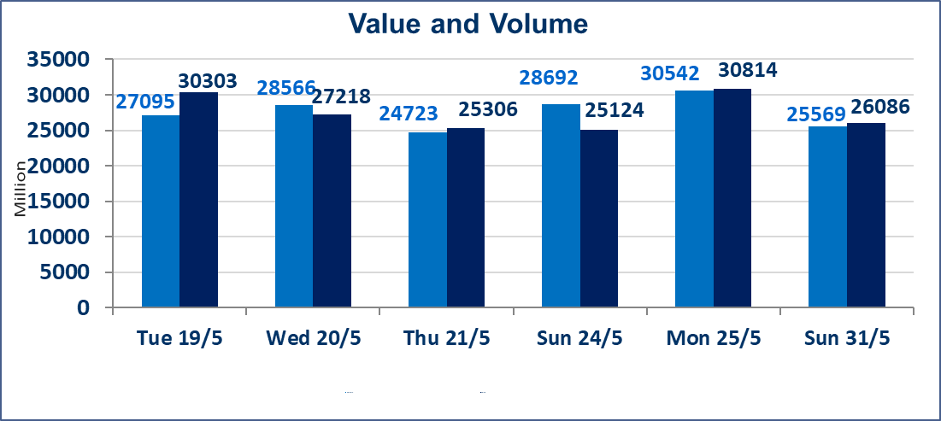
 | ISX Index 60 |  |  | 958.70 | ISX Index 15 |  |  | 1200.70
 | Previous ISX Index60 |  |  | 961.52 | Previous ISX Index15 |  |  | 1206.88
 | Change % |  |  | -0.29 | Change % |  |  | -0.51
 | Change |  |  | -2.82 | Change |  |  | -6.18

 | Listed Companies | 103 | OTC | 14 | Non Traded listed | 43 | OTC | 13
 | Traded Listed Companies | 48 | OTC | 1 | Higher Companies |  |  | 10
 | GAM Companies |  |  | 4 | Lower Companies |  |  | 12
 | Suspended Companies |  |  | 8
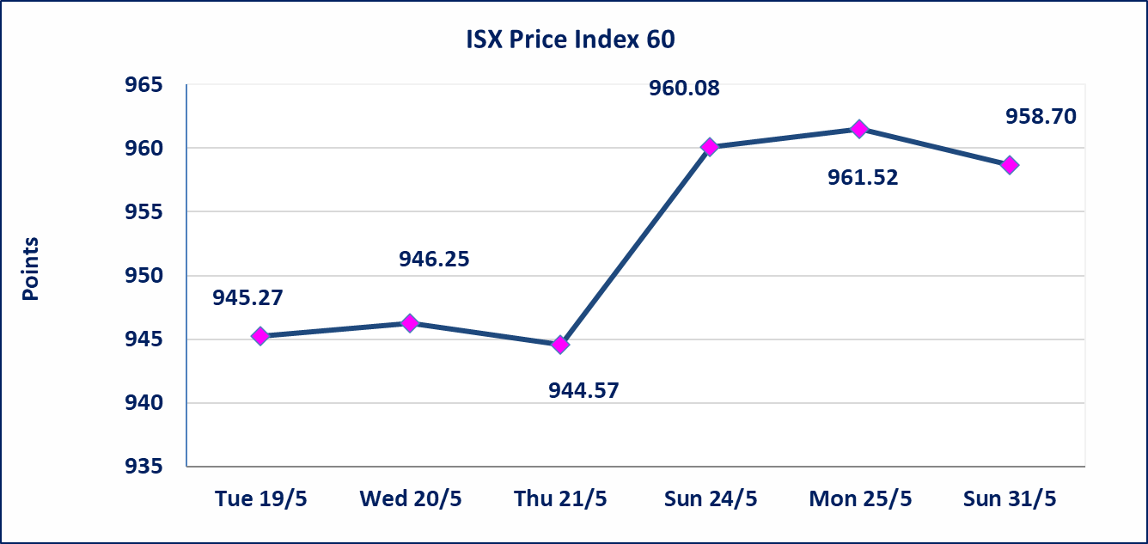
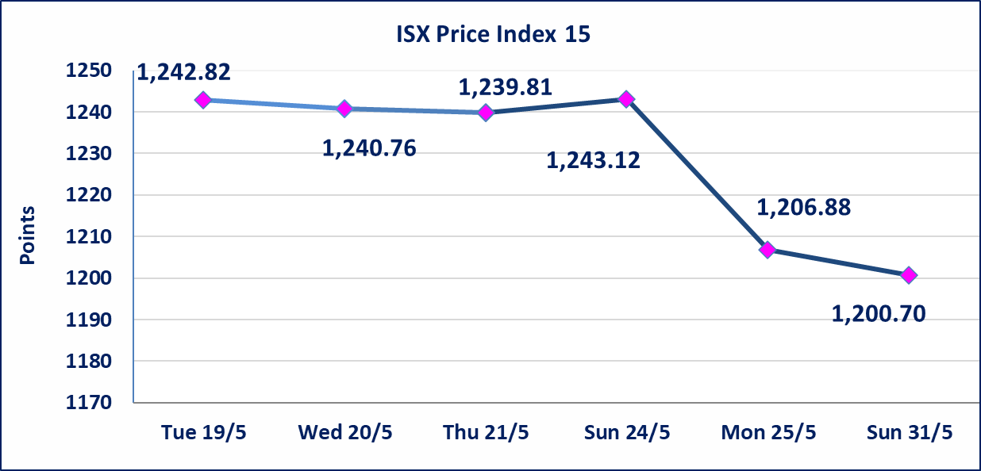

 | special orders | Elaf Brokerage Company executed a deliberate cross order on the shares of Al Qurtas Bank Company with a number of shares (25,000,000,000) shares with a value of (25,000,000,000) dinars, during the additional session time (after 1 pm) in accordance with the procedures for executing large transactions.
Al-Alwiya P.O . 3607 Mobile: 07711211522 - 07270094594 - 07834000034 E-mail: info-isx@isx-iq.net Web site:www.isx-iq.net

Top 5
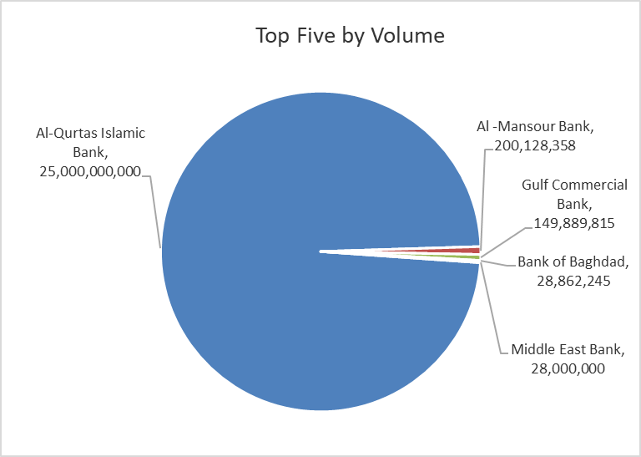
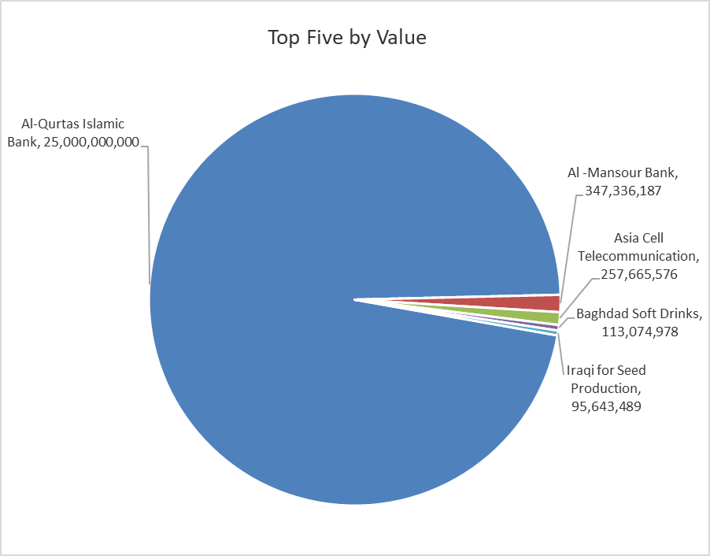

ISX top ganing and losing companies
Sunday 31/5/2026
 | Gainers |  |  |  | Losers
 | Company Name | Closing Price | Change (%) | Traded Volume | Company Name | Closing Price | Change (%) | Traded Volume
 | National Furniture Industries | 1.000 | 5.26 | 18,000 | Al-Hamraa for Insurance | 5.000 | -7.41 | 80,065
 | Iraq Noor Islamic Bank for Investment | 0.240 | 4.35 | 233,957 | AL-Badia for General Trans | 1.550 | -6.06 | 12,529
 | Kharkh Tour Amuzement City | 4.600 | 3.37 | 4,128,696 | Iraqi Islamic Bank | 1.060 | -2.75 | 21,402,252
 | Al-Mansour Pharmaceuticals Industries | 2.500 | 2.04 | 1,496,827 | Modern for Animal Production | 0.370 | -2.63 | 370,748
 | National Bank of Iraq | 4.050 | 1.76 | 7,459,239 | Gulf Commercial Bank | 0.380 | -2.56 | 149,889,815
 | The most active companies in term of traded volume and value

 | Traded Volume |  |  |  | Traded Value
 | Company Name | Closing Price | Change (%) | Traded Volume | Company Name | Closing Price | Change (%) | Traded Value
 | Al-Qurtas Islamic Bank | 1.000 | 0.00 | 25,000,000,000 | Al-Qurtas Islamic Bank | 1.000 | 0.00 | 25,000,000,000
 | Al -Mansour Bank | 1.730 | 0.58 | 200,128,358 | Al -Mansour Bank | 1.730 | 0.58 | 347,336,187
 | Gulf Commercial Bank | 0.380 | -2.56 | 149,889,815 | Asia Cell Telecommunication | 15.260 | -2.43 | 257,665,576
 | Bank of Baghdad | 2.690 | -0.74 | 28,862,245 | Baghdad Soft Drinks | 6.270 | 0.32 | 113,074,978
 | Middle East Bank | 0.090 | 0.00 | 28,000,000 | Iraqi for Seed Production | 5.090 | 0.20 | 95,643,489

Non Iraqis

Iraq Stock Exchange
Non Iraqis' Bulletin Sunday May 31 2026
Regular Market

Non Iraqi Trading of Regular Market (Buy)
Company Names | Code | No.of trades | Traded Shares | Trading Volume
Banks Sector
Bank Of Baghdad | BBOB | 1 | 300,000 | 810,000
Total Bank sector |  | 1 | 300,000 | 810,000
Grand Total |  | 1 | 300,000 | 810,000

Non Iraqi Trading of Regular Market (Sell)
Company Names | Code | No.of trades | Traded Shares | Trading Volume
Telecommunication Sector
Asia cell | TASC | 9 | 233,760 | 3,599,904
Total Telecommunication sector |  | 9 | 233,760 | 3,599,904
Grand Total |  | 9 | 233,760 | 3,599,904

Not Trading Bonds

Iraq Stock Exchange
Sunday 31/5/2026
Not Trading Bonds Bulletin
Bond type | Publish type | Code | last trading price | immortilize date
Banaa Bonds /Million ID | Second | CB20 | 964,981 | 19/12/2025
Eamar Bonds /Million ID | First | CB30 | 1,001,095 | ــــــــــــــــ
Eamar Bonds /Million ID | Second | CB40 | ــــــــــــــــ | ــــــــــــــــ
Eamar Bonds /500 Thousand ID | Third | CB45 | ــــــــــــــــ | ــــــــــــــــ
Eamar Bonds /Million ID | Third | CB50 | ــــــــــــــــ | ــــــــــــــــ
Injaz Bonds /500 Thousand ID | First | CB55 | ــــــــــــــــ | ــــــــــــــــ
Injaz Bonds /Million ID | First | CB60 | 951,110 | ــــــــــــــــ
Injaz Bonds /500 Thousand ID | Second | CB65 | 511,000
Injaz Bonds /Million ID | Second | CB70 | 965,050 | ــــــــــــــــ
Injaz Bonds /500 Thousand ID | Third | CB75 | ــــــــــــــــ | ــــــــــــــــ
Injaz Bonds /Million ID | Third | CB80 | 978,182 | ــــــــــــــــ
National Bonds/Million ID | First | CB90 | ــــــــــــــــ | ــــــــــــــــ
National Bonds/500 Thousand ID | Second | CB95 | ــــــــــــــــ | ــــــــــــــــ
National Bonds/Million ID | Second | CB100 | ــــــــــــــــ | ــــــــــــــــ

